Order form
STOP PRESSURE ULCER |  |  | #XXX
ORDER FORM
KINDLY PLEASE SEND THIS FORM BY email to office@epuap.org |  |  |  |  |  | BANK TRANSFER
PLEASE FILL IN DELIVERY ADDRESS:
Name: |  |  |  |  |  | If you wish to pay via bank transfer please use the information below to make the payment. As a reference please include your name and "STOP PU Day". Please, make the payment only after we confirm the order via e-mail.
Institution:
Street:
City:
Post code:
Country:
Phone number:

STOP PU Day T-shirt (unisex) |  |  |  |  |  | POSTAL FEE / SHIPMENT
*t-shirt price: 10 EUR per one t-shirt |  | Number of t-shirts per size |  |  |  | Orders without T-shirts need to be in amount of at least 30 €, otherwise shipping will apply.
Available sizes: |  | White | Navy blue |  |  | For orders with more than 3 T-shirts, shipping cost of 20 € will apply.
S |  |  |  |  |  | Orders outside EU have an extra shipping cost discussed based on each order.
M |  |  |  |  |  | Amounts for bigger orders and express shipping will be calculated individually.
L
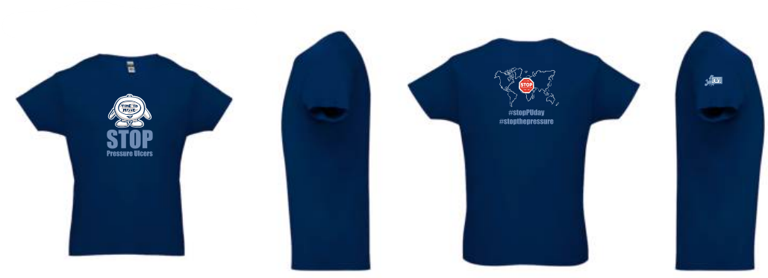
XL |  |  |  | T-shirts €10
XXL
Total amount of t-shirts
Stickers (size: 5,5 cm or 8 cm)
*Stickers price: 3 EUR per 10 stickers
Product: |  | Number of items: | Total amount:
T-shirts (in total) |  | 0 | 0
10 Stickers (size 5,5 cm) 1 item = 10 pieces |  |  | 0 | Mirrors €2 | Pens €5 (per 10 pcs)
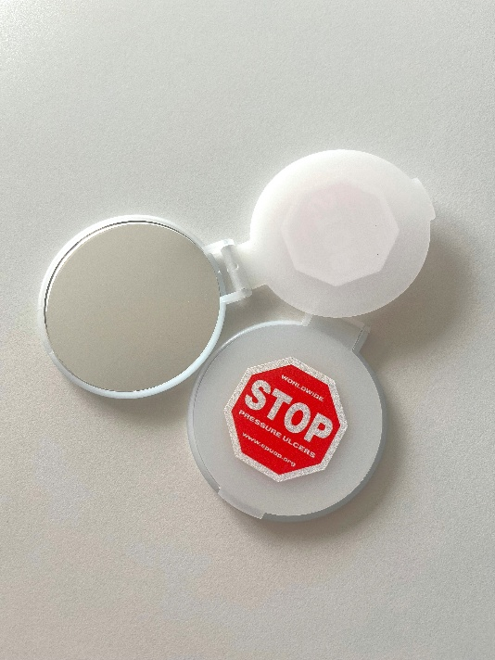
10 Stickers (size 8 cm) 1 item = 10 pieces |  |  | 0
Mirrors |  |  | 0
Badge holders |  |  | 0
Pens 1 item = 10 pieces |  |  | 0
Screen wipes |  |  | 0 |  | Retractable badge holder with reel €1,5 (10 pieces €10) |  | Screen wipes €2
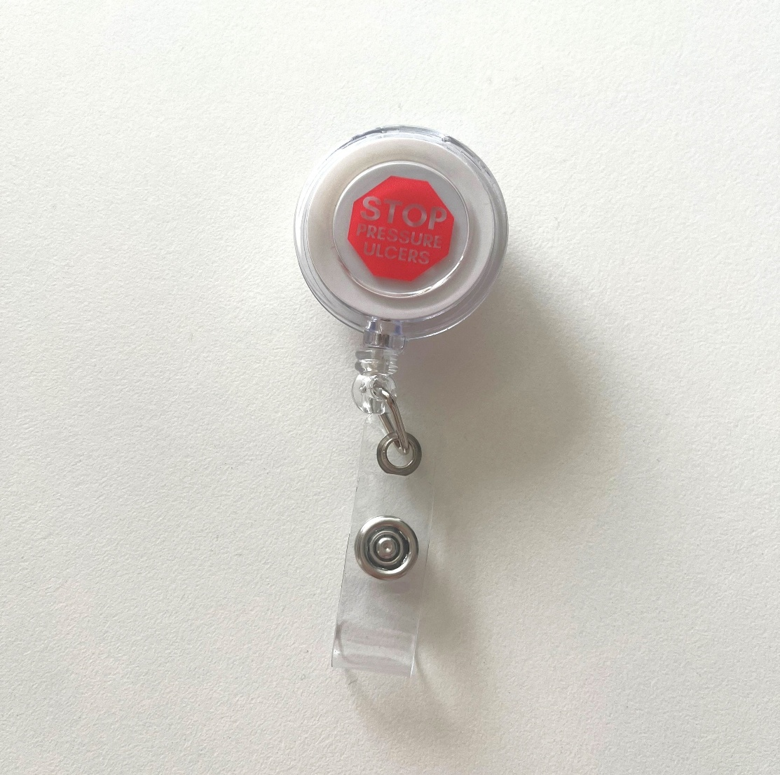
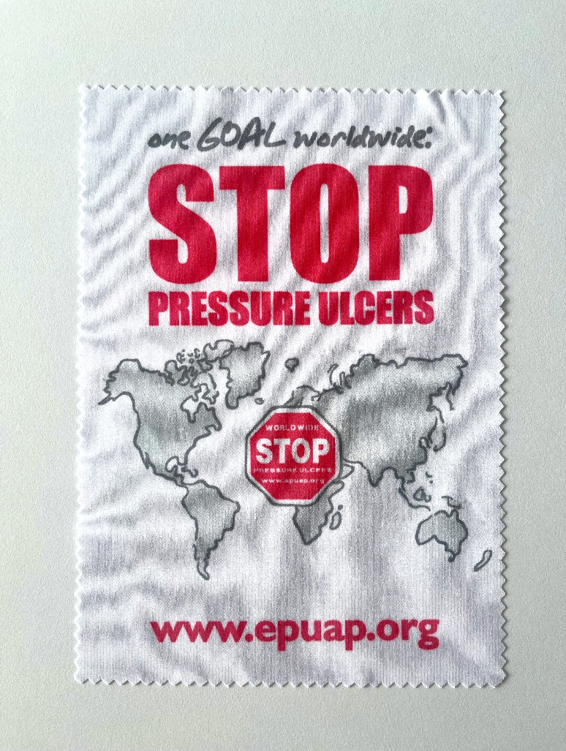
Postal fee / Shipment |  |  | 0
 |  |  |  | Stickers €3 (per 10 pcs)
Total amount to be paid: |  |  | 0

For payment by credit card please fill in the credit card details :
Type of the credit card (only VISA, MC/EC and Amex)
Name of the card holder
Credit card number | 0
CVV Code (last three digits at the back side of CC)
Expiration date
Address of the card holder/ payment confirmation receipt
TOTAL AMOUNT TO BE CHARGED | 0

Invoice
 |  |  |  | European Pressure Ulcer Advisory Panel
 |  |  |  | www.epuap.org

INVOICE

EPUAP
Registered Address: c/o Professor Jane Nixon
Clinical Trials Research Unit,
Leeds, West Yorkshire, LS2 9JT

European Pressure Ulcer Advisory Panel
Registered Address: C/o Professor Jane Nixon Clinical Trials Research Unit, Leeds, West Yorkshire, LS2 9JT
 |  |  | 0
 |  |  | 0
 |  |  | 0
 |  |  | 0
 |  |  | 0
 |  |  | 0

 |  |  | INCOTERMS:DAP

Invoice no. | STOPPU | #XXX
Issue date: | 2025-09-10
Payable due: | 2025-09-24

Item | Unit | Unit price | Total
T-shirt STOP Pressure Ulcers | 0 | 8.00 € | 0.00 €
Stickers | 0 | 3.00 € | 0.00 €
Mirrors | 0 | 2.00 € | 0.00 €
Screen wipes | 0 | 2.00 € | 0.00 €
Badge holders | 0 | 1.50 € | 0.00 €
Pens | 0 | 5.00 € | 0.00 €
Shipment |  |  | 0.00 €
TOTAL |  |  | 0.00 €

EPUAP is not a VAT payer. VAT is not added on the amount.

I declare that the best of my knowledge the information on this invoice is true and correct. The exporter of the products covered by this document (CZ24684678) declares that, except where otherwise clearly indicated, these products are of EU preferential origin. Transport cost included in price.

